input
 | Standing |  | Vasquez |  | Glaso |  | Lasater |  | Al Marhoun |  | Petrosky |  | Kartoatmodjo |  | point
2.708 | 1E-11 | 0.000 | 1E-11 | 0.000 | 1E-11 | -100.209 | 1E-11 | 0.000 | 1E-11 | 99.388 | 1E-11 | 0.000 | 1E-11 |  | 1E-11
374.885 | 1500 | 336.683 | 1500 | 341.456 | 1500 | 314.802 | 1500 | 283.832 | 1500 | 352.828 | 1500 | 360.369 | 1500 |  | 1500
855.455 | 3000 | 766.557 | 3000 | 753.553 | 3000 | 780.533 | 3000 | 748.227 | 3000 | 727.637 | 3000 | 769.101 | 3000 |  | 3000
1389.582 | 4500 | 1240.408 | 4500 | 1284.869 | 4500 | 1588.775 | 4500 | 1319.127 | 4500 | 1210.429 | 4500 | 1198.324 | 4500 |  | 4500
1961.896 | 6000 | 1745.288 | 6000 | 1966.391 | 6000 | 3119.803 | 6000 | 1972.451 | 6000 | 1792.870 | 6000 | 1641.421 | 6000 | 336 | 6000
2564.438 | 7500 | 2274.569 | 7500 | 2840.535 | 7500 | 7948.713 | 7500 | 2694.816 | 7500 | 2469.014 | 7500 | 2095.127 | 7500 |  | 7500
3192.243 | 9000 | 2824.147 | 9000 | 3968.181 | 9000 | -75558.402 | 9000 | 3477.438 | 9000 | 3234.299 | 9000 | 2557.472 | 9000 |  | 9000
3841.879 | 10500 | 3391.198 | 10500 | 5440.220 | 10500 | -8346.103 | 10500 | 4314.004 | 10500 | 4085.057 | 10500 | 3027.127 | 10500 |  | 10500
4510.816 | 12000 | 3973.650 | 12000 | 7399.462 | 12000 | -4869.316 | 12000 | 5199.707 | 12000 | 5018.239 | 12000 | 3503.131 | 12000 |  | 12000
5197.105 | 13500 | 4569.910 | 13500 | 10086.731 | 13500 | -3619.279 | 13500 | 6130.737 | 13500 | 6031.255 | 13500 | 3984.758 | 13500 |  | 13500
5899.190 | 15000 | 5178.712 | 15000 | 13952.457 | 15000 | -2971.445 | 15000 | 7103.982 | 15000 | 7121.858 | 15000 | 4471.435 | 15000 |  | 15000
 | T | 220 | °F | PboStanding | 2666.0014453
 | P | 2620 | psig | PboVasquezBeggs | 2920.4593614
 | SGg | 0.786 |  | PboGlaso | 2966.0190231
 | API | 40 |  | PboAlMarhoun | 2984.9979689
 | SGo | 0.82507 |  | PboPetroskyFarshad | 3052.6946927
 | GOR | 743 | scf/STB | PboLassater | 2911.1385784
 |  |  |  | PboKartoatmodjo | 2906.0587975
 |  |  |  |  | Usat | Sat
 |  |  |  | BoStanding |  | 1.4645111759
 |  |  |  | BoVasquezBeggs |  | 1.4446371099
 |  |  |  | BoGlaso | 1.4244424089
 |  |  |  | BoAlMarhoun |  | 1.426326286
 |  |  |  | BoPetroskyFarshad
 | point1 |  |  | BoLassater
Pb | 1833
SGg | 0.65 |  |  | RsoUSatStanding |  | 727.72692428
API | 31 |  |  | RsoUsatVasquezBeggs |  | 652.71723139
T | 162 |  |  | RsoUSatGlaso |  | 638.94069534
GOR | 336 |  |  | RsoUSatAlMarhoun |  | 619.12347421
 |  |  |  | RsoUSatPetroskyFarshad |  | 622.06438819
 |  |  |  | RsoLassater |  | 639.64922459

Standing
Standing |  |  |  |  |  | P | GOR | st_Rs | st_Bo
Find Bubble Pressure (Pb) given: |  |  |  |  |  | 0 | 2.708 | 2.708 | 1.0812483372
 | Rs | 743 | scf/STB |  |  | 500 | 103.812 | 103.812 | 1.1281718348
 | SGg | 0.786 |  |  |  | 1000 | 232.323 | 232.323 | 1.1909753979
 | API | 40 |  |  |  | 1500 | 374.885 | 374.885 | 1.263942138
 | T | 220 | F | 220 |  | 2000 | 527.518 | 527.518 | 1.3452064882
 |  | 0.8250728863 |  |  |  | 2500 | 688.143 | 688.143 | 1.4336794321
Solution: |  |  |  |  |  | 3000 | 855.455 | 855.455 | 1.5286092396
 | Pb = | 2666.001 | psig |  |  | 3500 | 1028.551 | 1028.551 | 1.6294321453
 |  |  |  |  |  | 4000 | 1206.766 | 1206.766 | 1.7357036412
Find Sol GOR (Rs):
Solution:
 | Rs = | 727.727 | scf/STB |  | 2620
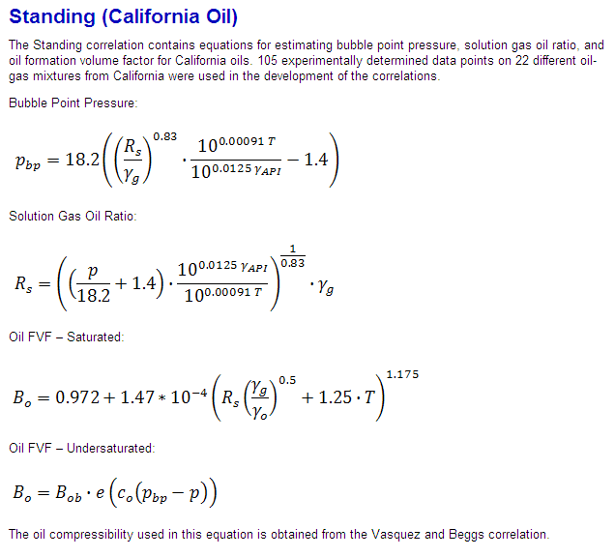
Find Bo:
 | Bo (Sat) | 1.4645111759
 | Bo (underSat)

 | SGg | 0.786
 | GOR | 743
 | Sgo | 0.8250728863
 | T | 220

All GOR correlations
 |  |  |  |  | GOR |  |  |  |  |  |  |  | Standing | VazquezBeggs | Glaso | Al-Marhoun | Kartoatmodjo
P | gla_c | gla_chigor | las_PbSGgTR | las_ygGOR | Standing | Vasquez | Glaso | Lasater | Al Marhoun | Petrosky | Kartoatmodjo | point | Bo.Standing | Bo.Vazquez | Bo.Glaso | Bo.Al-Marhoun | Bo.Kartoatmodjo |  | GOR
0 | 12.7669 | 5.9520261343E-05 | 1.1558823529E-14 | -0.26649913549 | 2.708 | 0.000 | 0.000 | -100.209 | 0.000 | 99.388 | 0.000 |  | 1.080 | 1.002 | 1.050 | 1.059 | 1.083
1500 | -1.4091912591 | 9.3539684283 | 1.7338235294 | 0.39796474567 | 374.885 | 336.683 | 341.456 | 314.802 | 283.832 | 352.828 | 360.369 |  | 1.244 | 1.159 | 1.206 | 1.219 | 1.269
3000 | -1.7102212547 | 17.845122661 | 3.4676470588 | 0.62106699011 | 855.455 | 766.557 | 753.553 | 780.533 | 748.227 | 727.637 | 769.101 |  | 1.478 | 1.360 | 1.430 | 1.429 | 1.474
4500 | -1.8863125138 | 27.581847931 | 5.2014705882 | 0.76938127234 | 1389.582 | 1240.408 | 1284.869 | 1588.775 | 1319.127 | 1210.429 | 1198.324 |  | 1.756 | 1.581 | 1.730 | 1.686 | 1.700 | 766.557
6000 | -2.0113 | 39.032750473 | 6.9352941176 | 0.86756831787 | 1961.896 | 1745.288 | 1966.391 | 3119.803 | 1972.451 | 1792.870 | 1641.421 | 336 | 2.070 | 1.817 | 2.108 | 1.991 | 1.943 | 220
7500 | -2.1081612634 | 52.694953978 | 8.6691176471 | 0.94347397407 | 2564.438 | 2274.569 | 2840.535 | 7948.713 | 2694.816 | 2469.014 | 2095.127 |  | 2.414 | 2.065 | 2.567 | 2.345 | 2.202
9000 | -2.1873425094 | 69.222169244 | 10.402941176 | 1.0063427637 | 3192.243 | 2824.147 | 3968.181 | -75558.402 | 3477.438 | 3234.299 | 2557.472 |  | 2.784 | 2.321 | 3.113 | 2.748 | 2.475
10500 | -2.2542892991 | 89.548359551 | 12.136764706 | 1.0605128419 | 3841.879 | 3391.198 | 5440.220 | -8346.103 | 4314.004 | 4085.057 | 3027.127 |  | 3.179 | 2.586 | 3.753 | 3.200 | 2.760
12000 | -2.312281246 | 115.09643383 | 13.870588235 | 1.1084040617 | 4510.816 | 3973.650 | 7399.462 | -4869.316 | 5199.707 | 5018.239 | 3503.131 |  | 3.596 | 2.858 | 4.498 | 3.703 | 3.057
13500 | -2.3634337685 | 148.20229732 | 15.604411765 | 1.1515179376 | 5197.105 | 4569.910 | 10086.731 | -3619.279 | 6130.737 | 6031.255 | 3984.758 |  | 4.033 | 3.137 | 5.367 | 4.256 | 3.365
15000 | -2.4091912591 | 193.12102048 | 17.338235294 | 1.1908566052 | 5899.190 | 5178.712 | 13952.457 | -2971.445 | 7103.982 | 7121.858 | 4471.435 |  | 4.489 | 3.421 | 6.387 | 4.860 | 3.683

Bo
 | Bo.Standing | Bo.Vazquez | gl_y | Bo.Glaso | am_F | Bo.Al-Marhoun | kar_F | Bo.Kartoatmodjo
1E-11 | 1.080 | 1.002 |  | 1.050 |  | 1.059 |  | 1.083
1500 | 1.244 | 1.159 |  | 1.206 |  | 1.219 |  | 1.269
3000 | 1.478 | 1.360 |  | 1.430 |  | 1.429 |  | 1.474
4500 | 1.756 | 1.581 |  | 1.730 |  | 1.686 |  | 1.700
6000 | 2.070 | 1.817 |  | 2.108 |  | 1.991 |  | 1.943
7500 | 2.414 | 2.065 |  | 2.567 |  | 2.345 |  | 2.202
9000 | 2.784 | 2.321 |  | 3.113 |  | 2.748 |  | 2.475
10500 | 3.179 | 2.586 |  | 3.753 |  | 3.200 |  | 2.760
12000 | 3.596 | 2.858 |  | 4.498 |  | 3.703 |  | 3.057
13500 | 4.033 | 3.137 |  | 5.367 |  | 4.256 |  | 3.365
15000 | 4.489 | 3.421 |  | 6.387 |  | 4.860 |  | 3.683

Vasquez and Beggs
GOR V&B
 | 0.000
 | 336.683
 | 766.557
 | 1240.408
 | 1745.288
 | 2274.569
 | 2824.147
 | 3391.198
 | 3973.650
 | 4569.910
 | 5178.712
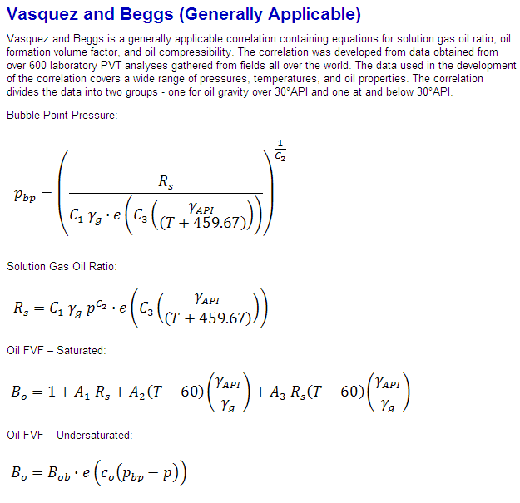
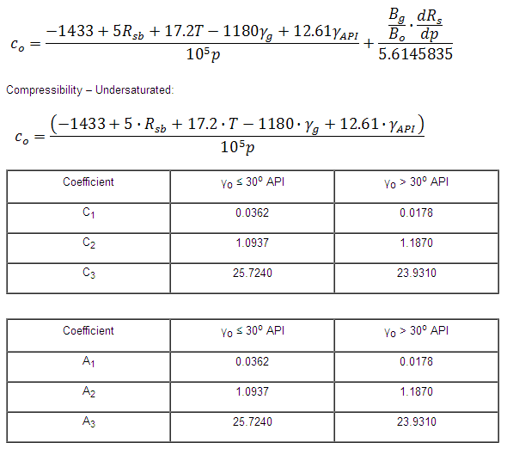
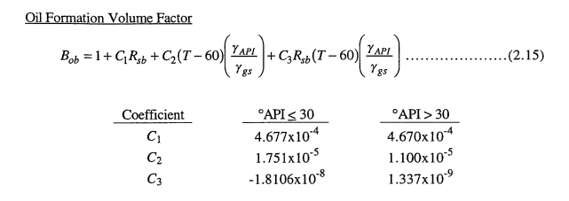
Vasquez and Beggs

 | GOR | 652.717 | scf/STB
 | Pb | 2920.459 | psig
 | Bo.Sat | 1.445 | bbl/STB
 | Bo.Usat

 |  |  |  | Coefficient | γo ≤ 30o API | γo > 30o API
 |  |  |  | C1 | 0.0362 | 0.0178
 |  |  |  | C2 | 1.0937 | 1.187
 |  |  |  | C3 | 25.724 | 23.931

 |  |  |  | Coefficient | γo ≤ 30o API | γo > 30o API
 |  |  |  | A1 | 4.68E-04 | 4.67E-04 | 0.0362 | 0.0178
 |  |  |  | A2 | 1.75E-05 | 1.10E-05 | 1.0937 | 1.187
 |  |  |  | A3 | -1.81E-08 | 1.34E-09 | 25.724 | 23.931

 |  |  |  | Coefficient | API ≤ 30o | API > 30o
 |  |  |  | C1 | 4.68E-04 | 4.67E-04
 |  |  |  | C2 | 1.75E-05 | 1.10E-05
 |  |  |  | C3 | -1.81E-08 | 1.34E-09

Glaso
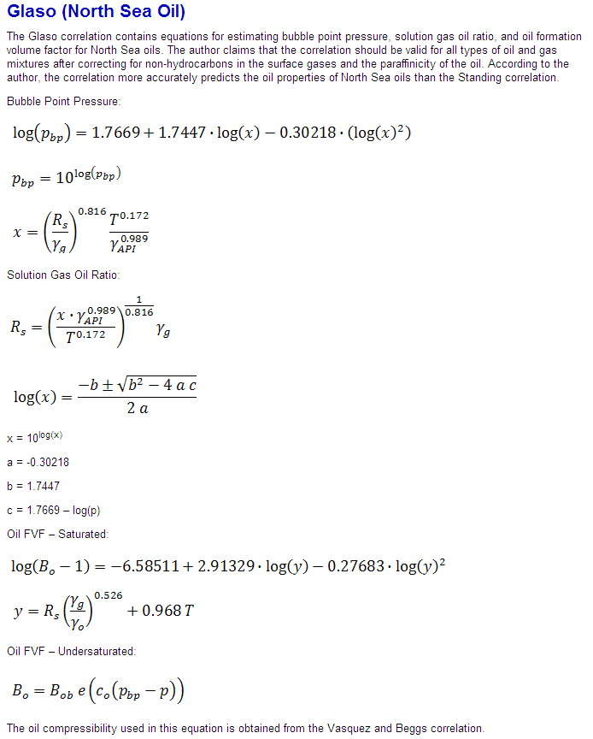
Glaso

 | Pb | 2966.0190231
 | GOR = | 638.94069534
 | Bo | 1.4244424089

 | chi | 17.640928679

 | a | -0.30218
 | b | 1.7447
 | c | -1.6514012913
 | chigor | 15.597334314

 | y | 937.2393698

 | GOR | 743

Lasater
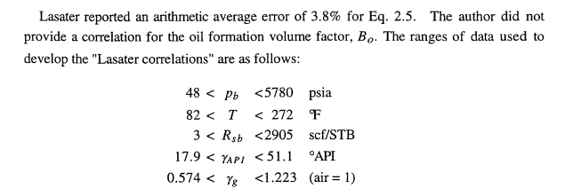
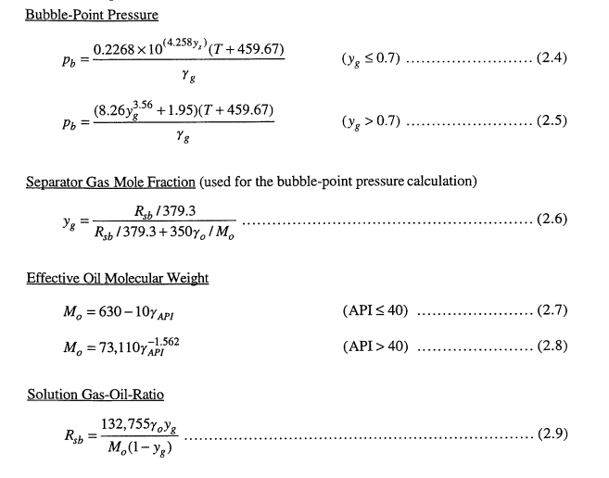
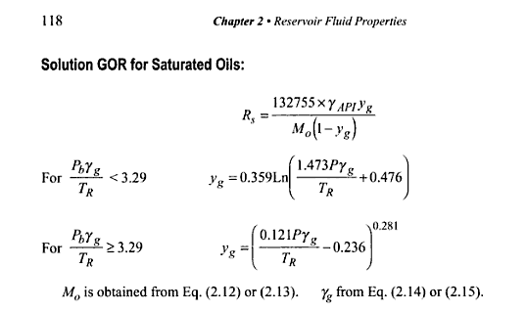
Lasater
 |  |  |  | P | PbSGgTR | ygGOR | GOR
 | Pb | 2911.1385784 | psig | 0 | 1.1558823529E-08 | -0.26649912264 | -100.20889122
 |  |  |  | 500 | 0.57794117647 | 0.10165169128 | 53.887150712
 | GOR | 639.64922459 | scf/STB | 1000 | 1.1558823529 | 0.27954942955 | 184.78630753
 |  |  |  | 1500 | 1.7338235294 | 0.39796474567 | 314.80240673
 | yg | 0.60940177378 | for Pb calculation | 2000 | 2.3117647059 | 0.48685855441 | 451.83625811
 |  |  |  | 2500 | 2.8897058824 | 0.55805163277 | 601.33740059
 | Mo | 230 | for Pb and Rs calculation | 3000 | 3.4676470588 | 0.62106699011 | 780.53318828
 |  |  |  | 3256 | 3.7635529412 | 0.65295293199 | 896.00176097
 | ygGOR | 0.57322520238 | for Rs calculation | 3500 | 4.0455882353 | 0.68002612096 | 1012.1070156
 |  |  |  | 4000 | 4.6235294118 | 0.72820675125 | 1275.9433791
 | PbSGgTR | 3.0284117647 | for Rs calculation

Al-Marhoun
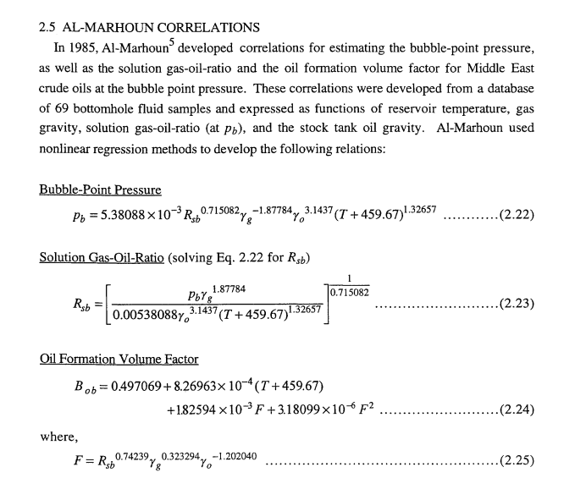
Al-Marhoun

 | Pb | 2984.9979689 | psig

 | Rsb | 619.12347421 | scf/STB

 | Bo | 1.426326286 | bbl/STB

 | F | 157.74794093

Petrosky
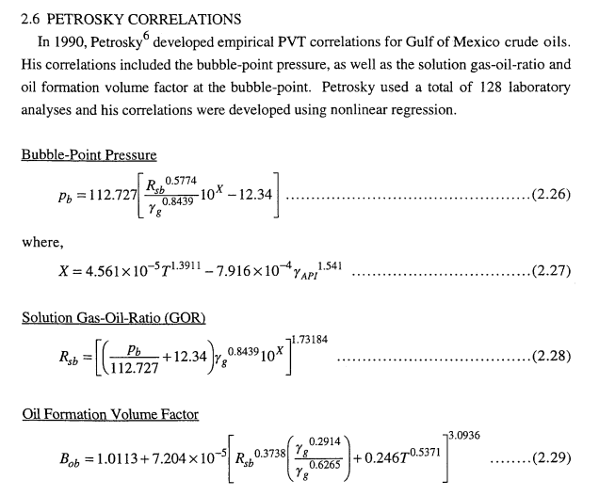
Petrosky
 |  |  | P | GOR
 | Pb | 3052.6946927 | 0 | 99.388464806
 | Rsb | 622.06438819 | 500 | 169.15874948
 |  |  | 1000 | 253.94753695
 |  |  | 1500 | 352.82836692
 | Bob |  | 2000 | 465.09629903
 |  |  | 2500 | 590.18774519
 |  |  | 3000 | 727.63650958
 | chiPet | -0.15024058905 | 3256 | 802.66302441
 |  |  | 3500 | 877.0472097
 |  |  | 4000 | 1038.0780511
 | chigorPet | 0.15024058905

Kartoatmodjo
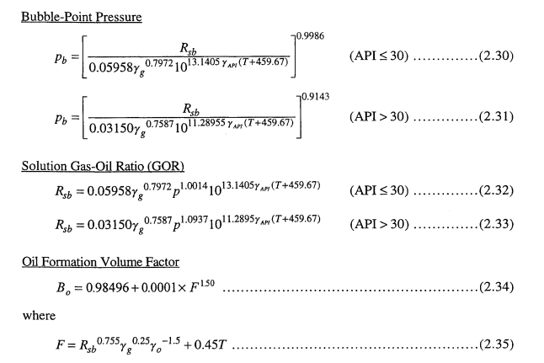
Kartoatmodjo
 |  |  | P | GOR
 | Pb | 2906.0587975 | 0 | 1.1281214963E-13
 | GOR | 663.21142191 | 500 | 108.37256899
 | F | 283.80500024 | 1000 | 231.28947736
 | Bo | 1.4630724626 | 1500 | 360.36855206
 |  |  | 2000 | 493.61958324
 |  |  | 2500 | 630.06138314
 |  |  | 3000 | 769.10102659
 |  |  | 3256 | 841.16036136
 |  |  | 3500 | 910.33888691
 |  |  | 4000 | 1053.486288

 |  | 772.30501319

sources


